Itinerary
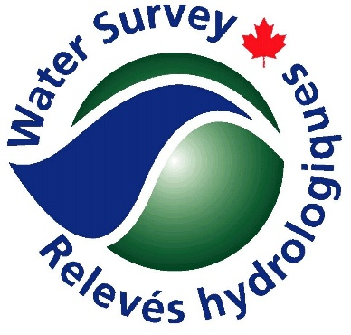
Water Survey of Canada - Tentative Itinerary
 |  | Area Contact Information
 |  | Office | YELLOWKNIFE | 5019 52 Street PO Box 2310 Yellowknife, NT X1A 2P7

 |  | Field Crew Information
 |  |  | Name | Vehicle Make and Model | Plate # | Medical Condition | Cell | Sat Phone
 |  | Lead |  | #N/A | #N/A |  | #N/A | #N/A
 |  | TBD |  | #N/A | #N/A |  | #N/A | #N/A
 |  | TBD |  | #N/A | #N/A |  | #N/A | #N/A
 |  | TBD |  | #N/A | #N/A |  | #N/A | #N/A | Template Name | Itinerary - Example Circuit

Day 1 | TIME ZONE: MST | Location | Transportation | Work Locations and Contact Information | Lat | Long | Fuel | Emergency Contact Info
Start time | HH:MM | Yellowknife
Additional Comments:
 |  |  |  | FAIRY LAKE RIVER NEAR OUTLET OF NAPAKTULIK LAKE | 66.25361 | -113.9914 | YES | Yellowknife RCMP 1 867 669 1111
 |  |  |  | COPPERMINE RIVER ABOVE COPPER CREEK | 67.22833 | -115.8889 | 0 | Kugluktuk RCMP 1 867 982 1111

End Time | HH:MM | Kugluktuk

Day 2 | TIME ZONE: MST | Location | Transportation | Work Locations and Contact Information | Lat | Long | Fuel | Emergency Contact Info
Start time | HH:MM | Kugluktuk
Additional Comments: |  |  |  | TREE RIVER NEAR THE MOUTH | 67.635 | -111.9022 | YES | Yellowknife RCMP 1 867 669 1111
 |  |  |  | BURNSIDE RIVER NEAR THE MOUTH | 66.72625 | -108.8132 | YES | Yellowknife RCMP 1 867 669 1111

End Time | HH:MM | Cambridge Bay

Day 3 | TIME ZONE: MST | Location | Transportation | Work Locations and Contact Information | Lat | Long | Fuel | Emergency Contact Info
Start time | HH:MM | Cambridge Bay
Additional Comments: |  |  |  | ELLICE RIVER NEAR THE MOUTH | 67.70833 | -104.1392 | YES | Yellowknife RCMP 1 867 669 1111
 |  |  |  | CONTWOYTO LAKE AT LUPIN MINE | 65.77719 | -111.2171 | 0 | Yellowknife RCMP 1 867 669 1111
 |  |  |  | POINT LAKE CABIN | 65.41775 | -114.036194 | YES | Yellowknife RCMP 1 867 669 1111

End Time | 16:30 | Yellowknife | Home | #N/A

Day 4 | TIME ZONE: MST | Location | Transportation | Work Locations and Contact Information | Lat | Long | Fuel | Emergency Contact Info
Start time | HH:MM | Yellowknife
Additional Comments: |  |  |  | BACK RIVER ABOVE HERMANN RIVER | 66.08614 | -96.51081 | YES | Baker Lake RCMP 1-867-793-0123
 |  |  |  | BAILLIE RIVER NEAR THE MOUTH | 65.01056 | -104.4906 | YES | Yellowknife RCMP 1 867 669 1111

End Time | HH:MM | Yellowknife | Home | #N/A

yyyyy-mm-dd | TIME ZONE: MST | Location | Transportation | Work Locations and Contact Information | Lat | Long | Fuel | Emergency Contact Info
Start time | HH:MM | Yellowknife
Additional Comments:

End Time | HH:MM

yyyyy-mm-dd | TIME ZONE: MST | Location | Transportation | Work Locations and Contact Information | Lat | Long | Fuel | Emergency Contact Info
Start time | HH:MM | 0
Additional Comments:

End Time | HH:MM
Notes:

Signature: |  |  |  |  |  | Date |  | 2024-05-17

